Sheet1
Calibration file |  |  | Sample- Detector distance |  |  | Energy |  | beam size |  |  |  | look at all fixed coordinate samples
silver behenate |  | 615 |  | 3.37m |  | 17 keV |  | 150 microns | vertical | 270 microns | horizontal
 | or | 616

 | Temp | Speed | Thickness | Vertical scan |  | Annealing | Annealing | Cooling
Sample | / C | mm/s | /mm | mm | Extrusion | 30 min | 60 min | ~20 min

2 | 180 | 2 | 1 | y= (104 - 51) | 665 |  |  | 669 |  |  | Exposure time | 2 s | for all frames
 |  |  |  | y= (104 - 51) | 666 |  |  | 670
 |  |  |  | y= (104 - 51) | 667 |  |  | 671 |  |  | For spot measurements at y=95 |  | 3s | waiting time between frames | 5 s between frames

3 | 180 | 2 | 1 | y= (104 - 51) | 677 |  | 680 | 692
 |  |  |  | y= (104 - 51) | 678 |  | … | …
 |  |  |  | y= (104 - 51) |  |  | 690 | 694

4 | 180 | 2 | 1 | y=95 | 707 | 707 |  | 708
 |  |  |  |  | F 0-144 | F 145-330 |  | cooled down to 60-75 |  |  | F- states for frames
 |  |  |  |  |  | F 383-390
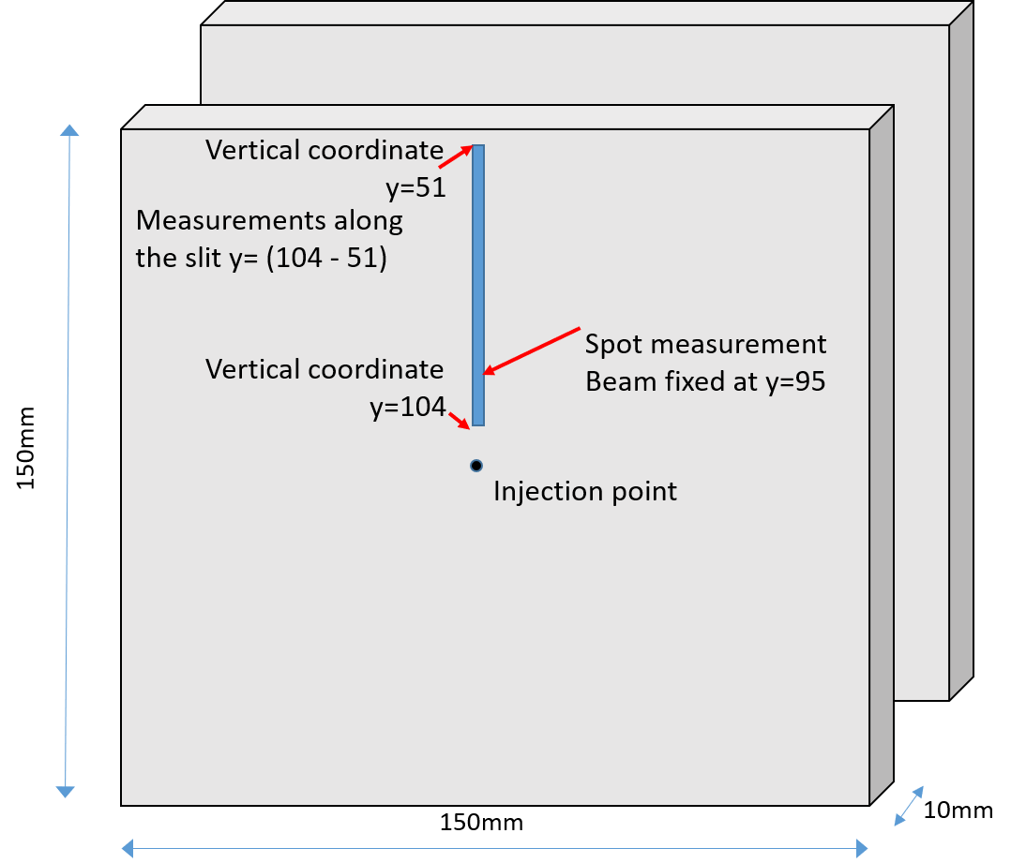
 |  |  |  |  |  | F 443-455
 |  |  |  |  |  | F 503-518
 |  |  |  |  |  | F 565-581

5 | 180 | 2 | 0.3 | y= (104 - 51) | 711 |  |  | 715
 |  |  |  | y= (104 - 51) | 712 |  |  | 716
 |  |  |  | y= (104 - 51) | 713 |  |  | 717

6 | 180 | 2 | 0.3 | y= (104 - 51) | 723 |  | 726 | 737
 |  |  |  | y= (104 - 51) | 724 |  | … | …
 |  |  |  | y= (104 - 51) |  |  | 735 | 739

7 | 180 | 2 | 0.3 | y=95 | 742 | 742 |  | 743
 |  |  |  |  | F 0-58 | F 59-200
 |  |  |  |  |  | F270-308
 |  |  |  |  |  | F389-430

8 | 180 | 2 | 0.5 | y=101 | 748 |  |  | 750
 |  |  |  |  |  |  |  | …
 |  |  |  |  |  |  |  | 753

9 | 180 | 2 | 0.5 | y= (104 - 51) | 760 |  | 762 | 772
 |  |  |  | y= (104 - 51) |  |  | … | …
 |  |  |  | y= (104 - 51) |  |  | 771 | 775

10 | 180 | 2 | 0.5 | y=95 | 779 | 779 |  | 780
 |  |  |  |  | F 0-57 | F 58-415

11 | 180 | 2 | 1.6 | y=95 | 786 | 783 |  | 784
 |  |  |  |  | F 0-186 | F 187-543

12 | 180 | 2 | 1.6 | y= (104 - 51) | 787 |  |  | 792
 |  |  |  | y= (104 - 51) | … |  |  | …
 |  |  |  | y= (104 - 51) | 790 |  |  | 795

14 | 180 | 2 | 1.6 | y= (104 - 51) | 820 |  | 822 | 832
 |  |  |  | y= (104 - 51) | 821 |  | … | …
 |  |  |  | y= (104 - 51) |  |  | 831 | 835

